Sheet4
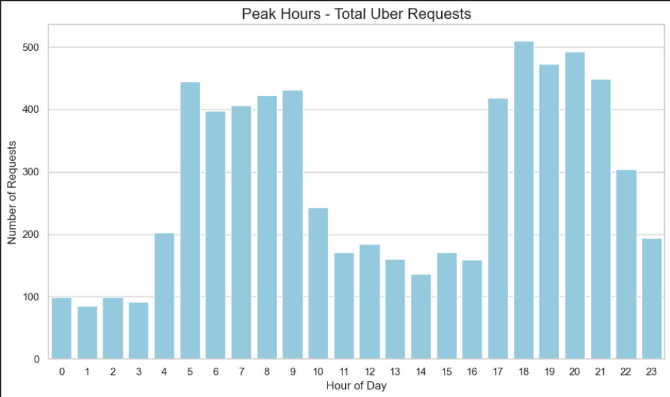
Total Requests by Status
 | Cancelled | No Cars Available | Trip Completed
Airport | 651439 | 6219812 | 4317499
City | 3297630 | 3281702 | 5061348
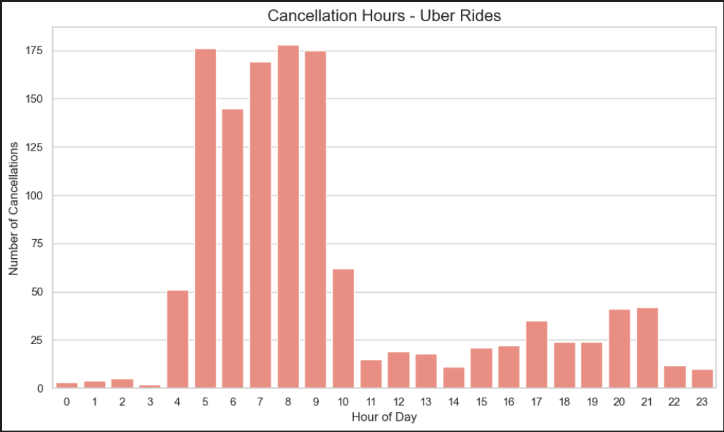
Row Labels | Count of Request id
Cancelled | 1264
No Cars Available | 2650
Trip Completed | 2831
Grand Total | 6745

Row Labels | Count of Request id
Airport | 3238
City | 3507
Grand Total | 6745

Total Requests by Pickup Point

Cancellation Rate 18.74
Total Requests 6745

Completion Rate 41.97
Trips Completed 2831

Trips Cancelled 1264

